Error Data Types
 |  |  |  | Error Data Types
 |  |  | The Error data type is used for storing error values.

1) | Name Error>>>>This error typically shows up if you have a value inside a formula without quotes or with a beginning or end quote missing. This error may also be caused by a typo in the formula.

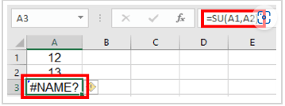
eg…. | 5
 | 3
 | #NAME?

2) | Values Error>>>This error indicates that the argument or operator in a function is invalid. This happens if you are trying to use a cell containing text in your formula.

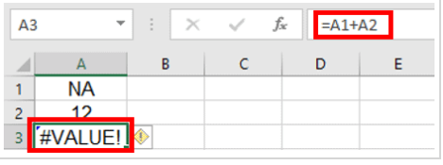
eg…. | NA
 | 2
 | #VALUE!

3) | Null Error>>>This error is quite rare in Excel and is the result of a typo where a space character is used instead of a comma (, ) or colon ( : ) between two cell references. For example, typing A2 A5 instead of A2:A5.

eg,,,, | 10
 | 12
 | #NULL!

4) | Reference error>>The reference error occurs if you delete a cell or a range of cells that were being used in a formula.

 |  | 30 | 0

5) | Division error>>>This error code indicates that you are trying to divide a number by zero.

